Data
Chosen Strata for Analysis with Rounding to Full numbers |  |  |  |  |  | Marked estimates have error as they are produced from inidivual escapement estimates.
Strata | Early | Peak | Late | Marked Estimate |  | Standard Error of Marked Estimate
Chilliwack Hatchery | 23 | 44 | 6 | 66,127 |  | 13,039
Lillooet Natural | 12 | 8 | 2 | 14,300 |  | 403.6
Nicomen CWT | 1 | 13 | 3 | 15,274 |  | 461.3
Lower Fraser Unmarked | 37 | 146 | 46 | 0

Raw Data with no rounding. Colours on Dates correspond with Early, Peak, and Late
rank.1.stock | 2021-09-07 | 2021-09-09 | 2021-09-14 | 2021-09-16 | 2021-09-20 | 2021-09-21 | 2021-09-28 | 2021-10-01 | 2021-10-08 | 2021-10-12 | 2021-10-14 | 2021-10-20 | 2021-10-21 | 2021-10-26 | 2021-10-28 | marked
Chilliwack Hatchery | 2.0 | 2.0 | 3.6 | 3.0 | 6.0 | 6.0 | 1.0 | 10.0 | 11.7 | 11.0 | 10.6 | 1.0 | 2.0 | 1.0 | 2.0 | 66127
Lillooet Natural | 2.0 | 4.2 | 1.1 | 2.1 | 0.0 | 3.0 | 3.0 | 2.0 | 2.0 | 1.0 | 0.0 | 1.0 | 1.0 | 0.0 | 0.0 | 14300
Nicomen CWT | 0.0 | 0.0 | 0.0 | 0.0 | 1.0 | 0.0 | 0.0 | 3.0 | 1.0 | 4.0 | 5.0 | 0.0 | 3.0 | 0.0 | 0.0 | 15274
Lower Fraser Unmarked | 3.0 | 2.1 | 4.6 | 9.3 | 13.8 | 4.0 | 18.0 | 32.0 | 25.3 | 41.0 | 29.4 | 14.0 | 12.0 | 12.0 | 8.0 | 0

Extra Raw Data where Lower Fraser Unmarked is broken out between Lower Fraser Hatchery and Lower Fraser Natural
rank.1.stock | 2021-09-07 | 2021-09-09 | 2021-09-14 | 2021-09-16 | 2021-09-20 | 2021-09-21 | 2021-09-28 | 2021-10-01 | 2021-10-08 | 2021-10-12 | 2021-10-14 | 2021-10-20 | 2021-10-21 | 2021-10-26 | 2021-10-28 | marked
Chilliwack Hatchery | 2.0 | 2.0 | 3.6 | 3.0 | 6.0 | 6.0 | 1.0 | 10.0 | 11.7 | 11.0 | 10.6 | 1.0 | 2.0 | 1.0 | 2.0 | 66127
Lillooet Natural | 2.0 | 4.2 | 1.1 | 2.1 | 0.0 | 3.0 | 3.0 | 2.0 | 2.0 | 1.0 | 0.0 | 1.0 | 1.0 | 0.0 | 0.0 | 14300
Nicomen CWT | 0.0 | 0.0 | 0.0 | 0.0 | 1.0 | 0.0 | 0.0 | 3.0 | 1.0 | 4.0 | 5.0 | 0.0 | 3.0 | 0.0 | 0.0 | 15274
Lower Fraser Hatchery | 1.0 | 0.0 | 1.3 | 1.0 | 1.0 | 1.0 | 5.0 | 4.0 | 5.3 | 8.0 | 8.4 | 3.0 | 6.0 | 2.0 | 1.0 | 0
Lower Fraser Natural | 2.0 | 2.1 | 3.4 | 8.3 | 12.8 | 3.0 | 13.0 | 28.0 | 20.0 | 33.0 | 21.0 | 11.0 | 6.0 | 10.0 | 7.0 | 0
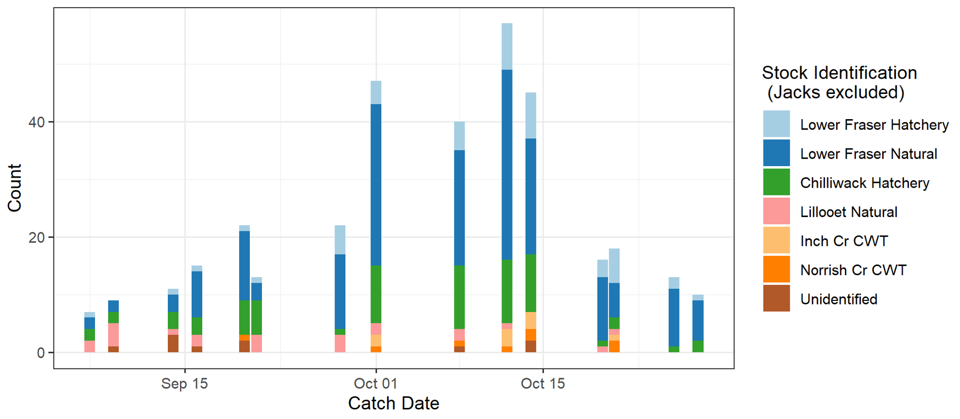

Coho catch data from the 2021 Lower Fraser Coho Assessment Fishery as broken out by stock identification. Adult catch, only including Lower Fraser Coho origin fish as well as the unidentified fish. Unidentified is due to failure of the genetic information to be processed successfully or lost samples.

Unidentified were assigned an ID based on the relative proportion of identified catches from the same day they were caught.

